Project Milestone
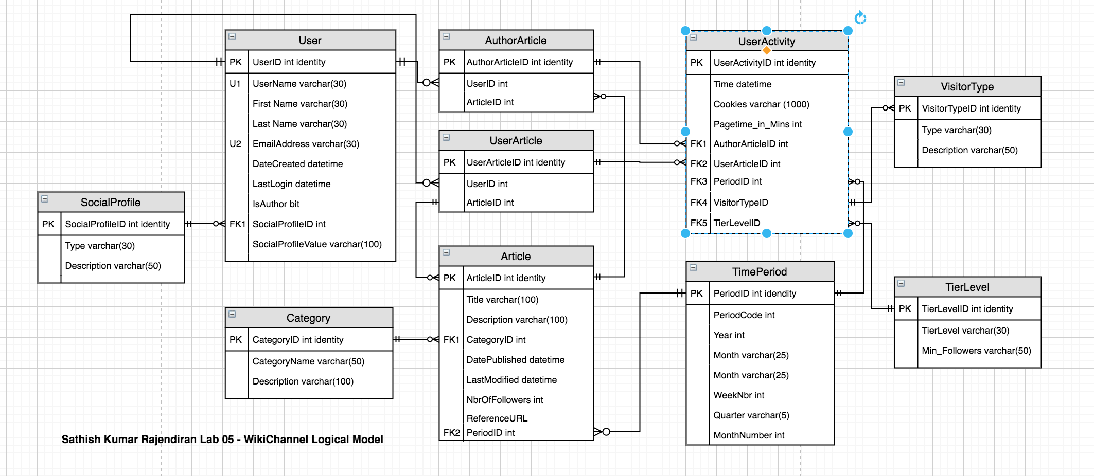
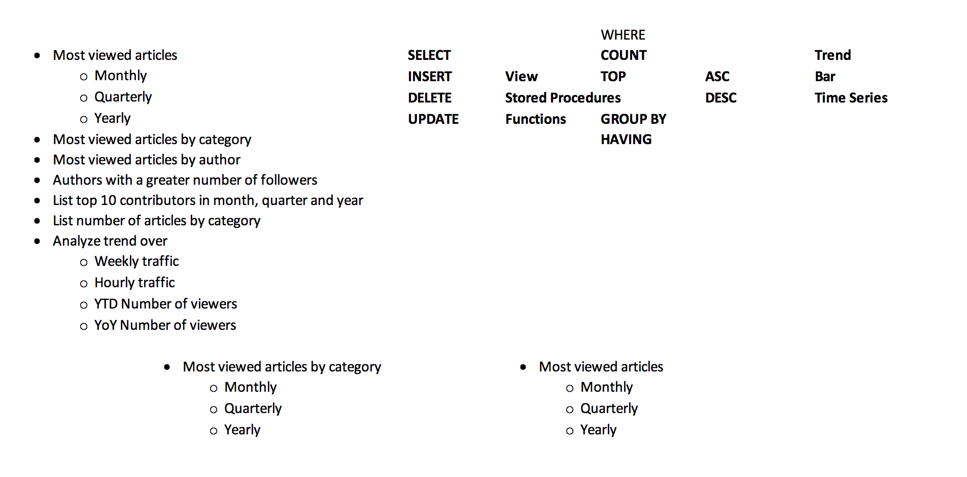
 |  |  |  | Article Category | Author having > Followers (Users) | Users following Authors
 |  | Articles | Users | Category | TierLevel | Subscription | AuthorArticle | Social Profile | UserActivity | VisitorType
 |  | ArticleID | UserID | CategoryID | TierLevelID | UserSubscriptionID | AuthorArticleID | SocialProfileID | UserActivityID | VisitorTypeID
 |  | Title | UserName | Name | TierLevel | UserID | AuthorID | Type | UserID | Type
 |  | Description | FirstName | Description | Min_Followers | AuthorID | ArticleID | Description | ArticleID | Description
 |  | DatePublishedOn | Dougara |  |  | DateSubscribedOn | TierLevelID |  | DateTimeViewedOn
 |  | LastModifiedOn | EmailAddress |  |  | AuthorID | SocialProfileID |  | Pagetime_In_Minutes
 |  | CategoryID | State |  |  |  | SocialProfileValue |  | VisitorTypeID
 |  | ReferenceURL | City
 |  |  | DateCreated
 |  |  | IsAuthor
 |  | 7 | 9 | 3 | 3 | 5 | 6 | 3 | 6 | 3

12months | 2 Calender Years
12 | 2019
3 | 2020

